Executive Dashboard
Executive Dashboard
Tenable.io | April 2026 - July 2026

TOTAL OPEN |  | CRITICAL | HIGH |  | IMMEDIATE PATCH
125 |  | 31 | 31 |  | 72

Current unresolved findings |  | Critical severity findings | High severity findings |  | P1 + P2 findings

Severity Distribution |  |  | Patch Priority Distribution
Severity | Open Findings |  | Patch Priority | Open Findings
Critical | 31 |  | P1 | 41
High | 31 |  | P2 | 31
Medium | 31 |  | P3 | 26
Low | 32 |  | P4 | 27

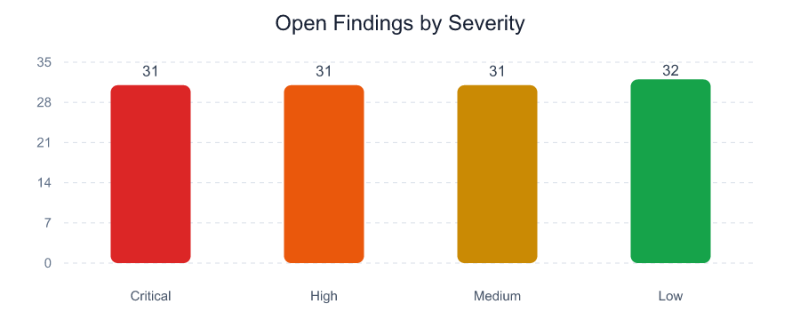
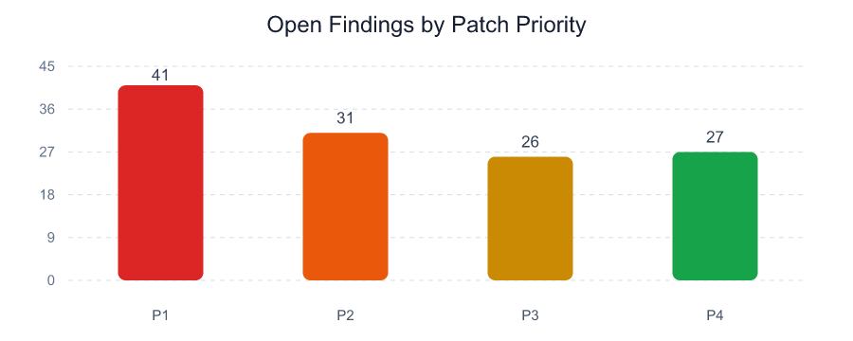

Executive Observations

- 72 of 125 open findings require P1 or P2 handling.

- 51 findings contain positive exploit-availability evidence in the selected scanner exports.

- 40 unique normalized assets or workloads are affected.

Monthly Report
Tenable.io Monthly Vulnerability Report
April 2026 - July 2026

TOTAL OPEN |  |  | NEW THIS MONTH |  |  | NOT CLOSED |  |  | PATCHED LAST MONTH
125 |  |  | 30 |  |  | 95 |  |  | 25

New + not closed |  |  | Identified in current report |  |  | Carried from previous report |  |  | June 2026 to July 2026

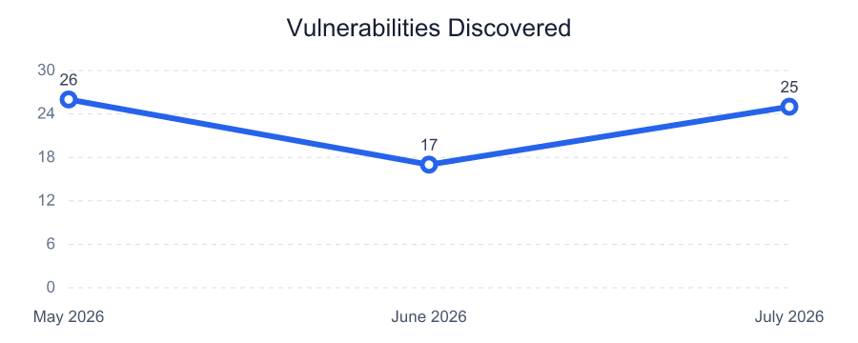
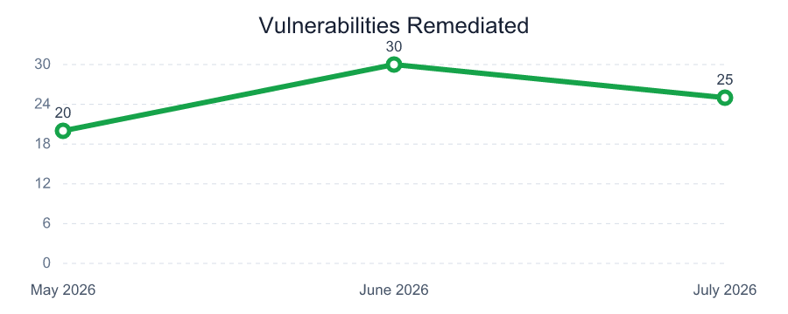
Vulnerability Trend - Last 3 Months
Month | Discovered | Remediated
May 2026 | 26 | 20
June 2026 | 17 | 30
July 2026 | 25 | 25

Total Open by Patch Priority
P1 |  |  | P2 |  |  | P3 |  |  | P4
41 |  |  | 31 |  |  | 26 |  |  | 27

Open findings |  |  | Open findings |  |  | Open findings |  |  | Open findings

Total Open by Age and Patch Priority |  |  |  |  |  | Vulnerabilities Patched in Last Month
Patch Priority | >7 days | >30 days | >60 days | >180 days |  | Measure | Count | Report Month
P1 | 41 | 34 | 27 | 6 |  | Previous Month Open | 120 | June 2026
P2 | 29 | 26 | 21 | 5 |  | New This Month | 30 | July 2026
P3 | 26 | 19 | 16 | 2 |  | Current Month Open | 125 | July 2026
P4 | 27 | 21 | 19 | 5 |  | Patched Last Month | 25 | July 2026

Uploaded Month Summary
Month | Critical | High | Medium | Low | Total Open | New | Patched
April 2026 | 25 | 25 | 25 | 25 | 100 | 0 | 0
May 2026 | 28 | 28 | 27 | 27 | 110 | 30 | 20
June 2026 | 30 | 30 | 30 | 30 | 120 | 40 | 30
July 2026 | 31 | 31 | 31 | 32 | 125 | 30 | 25

Top Vulnerable Assets
Top Vulnerable Assets
Tenable.io | April 2026 - July 2026

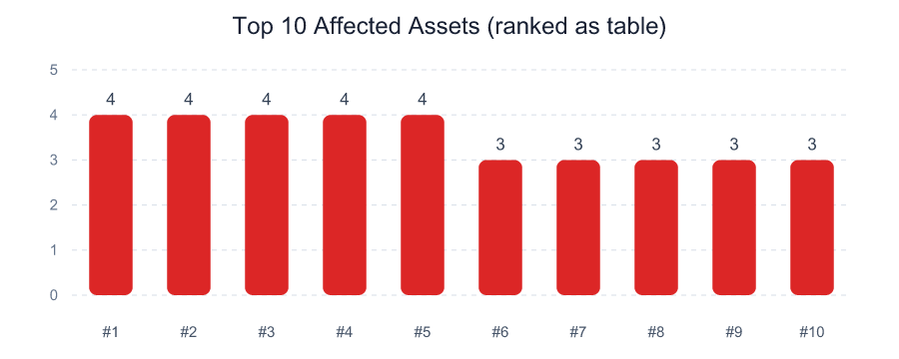
IP Address | DNS / Workload | Critical | High | P1 + P2 | Open Findings | Max Exposure
10.20.18.37 | asset-017.corp.local | 4 | 0 | 4 | 4 | 980
10.20.10.38 | asset-018.corp.local | 0 | 4 | 4 | 4 | 780
10.20.17.36 | asset-016.corp.local | 0 | 0 | 1 | 4 | 280
10.20.12.40 | asset-020.corp.local | 0 | 0 | 1 | 4 | 280
10.20.11.39 | asset-019.corp.local | 0 | 0 | 0 | 4 | 540
10.20.11.21 | asset-001.corp.local | 3 | 0 | 3 | 3 | 980
10.20.12.22 | asset-002.corp.local | 0 | 3 | 3 | 3 | 780
10.20.15.25 | asset-005.corp.local | 3 | 0 | 3 | 3 | 980
10.20.16.26 | asset-006.corp.local | 0 | 3 | 3 | 3 | 780
10.20.10.29 | asset-009.corp.local | 3 | 0 | 3 | 3 | 980
10.20.11.30 | asset-010.corp.local | 0 | 3 | 3 | 3 | 780
10.20.14.33 | asset-013.corp.local | 3 | 0 | 3 | 3 | 980
10.20.15.34 | asset-014.corp.local | 0 | 3 | 3 | 3 | 780
10.20.13.41 | asset-021.corp.local | 3 | 0 | 3 | 3 | 980
10.20.14.42 | asset-022.corp.local | 0 | 3 | 3 | 3 | 780

Top Vulnerabilities
Top Vulnerabilities
Tenable.io | April 2026 - July 2026

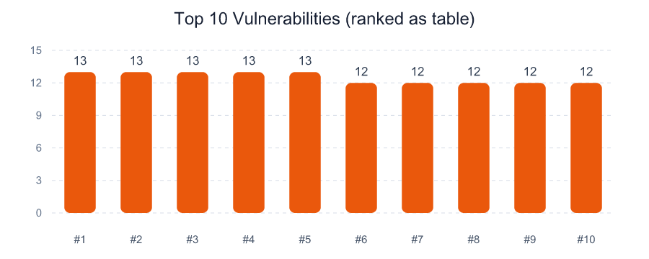
Vulnerability | CVE | Open Findings | Affected Assets | Highest Priority | Exploit Available | Max Exposure
Linux Kernel Security Update Available | CVE-2024-1086 | 13 | 4 | P1 | 5 | 980
Nginx Security Update Available | CVE-2025-2345 | 13 | 4 | P1 | 5 | 780
Oracle Java Unsupported Version | CVE-2024-20919 | 13 | 4 | P1 | 6 | 780
SMB Signing Not Required | N/A | 13 | 4 | P1 | 5 | 980
TLS 1.0 Protocol Detection | N/A | 13 | 4 | P1 | 5 | 780
Apache Log4j Remote Code Execution | CVE-2021-44228 | 12 | 4 | P1 | 5 | 780
Apache Tomcat AJP Request Injection | CVE-2020-1938 | 12 | 4 | P1 | 5 | 980
Microsoft SQL Server Unsupported Version | N/A | 12 | 4 | P1 | 5 | 980
OpenSSL Security Update Available | CVE-2023-0286 | 12 | 4 | P1 | 5 | 780
Remote Desktop Weak Encryption Enabled | N/A | 12 | 4 | P1 | 5 | 980

